Results
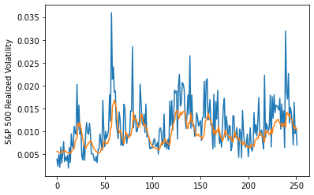
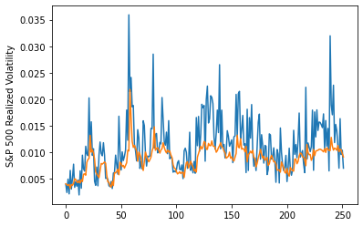
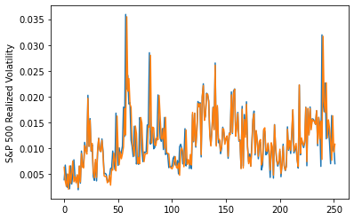
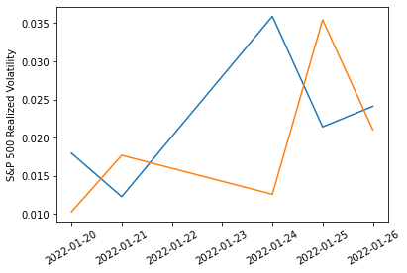
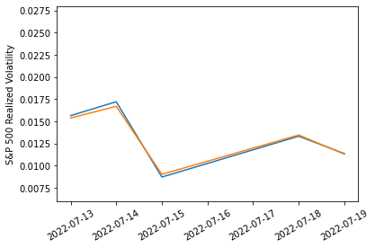
 | LSTM |  | TCN |  | NBEATSx |  |  |  | LSTM |  | TCN |  | NBEATSx
 | Accuracy | RMSE | Accuracy | RMSE | Accuracy | RMSE |  |  | Accuracy | RMSE | Accuracy | RMSE | Accuracy | RMSE
Trial 1 | 70.21% | 0.317% | 71.69% | 0.312% | 83.05% | 0.374% |  | Mean | 69.36% | 0.325% | 70.07% | 0.331% | 82.99% | 0.375%
Trial 2 | 67.56% | 0.313% | 68.89% | 0.337% | 83.06% | 0.377% |  | Standard Deviation | 1.42% | 0.014% | 1.39% | 0.018% | 0.25% | 0.002%
Trial 3 | 67.47% | 0.316% | 68.79% | 0.373% | 82.96% | 0.374% |  | 95% CI upper bound | 72.20% | 0.352% | 72.84% | 0.367% | 83.48% | 0.379%
Trial 4 | 70.86% | 0.340% | 67.61% | 0.312% | 82.76% | 0.378% |  | 95% CI lower bound | 66.51% | 0.297% | 67.29% | 0.296% | 82.50% | 0.372%
Trial 5 | 71.36% | 0.322% | 71.31% | 0.318% | 83.18% | 0.373% |  | 99.7% CI upper bound | 73.62% | 0.366% | 74.23% | 0.384% | 83.72% | 0.380%
Trial 6 | 68.00% | 0.318% | 70.22% | 0.322% | 83.10% | 0.374% |  | 99.7% CI lower bound | 65.09% | 0.283% | 65.90% | 0.278% | 82.25% | 0.370%
Trial 7 | 69.77% | 0.317% | 72.12% | 0.345% | 82.77% | 0.378%
Trial 8 | 69.32% | 0.329% | 69.67% | 0.322% | 83.41% | 0.374%
Trial 9 | 70.75% | 0.341% | 70.73% | 0.336% | 82.88% | 0.374%
Trial 10 | 69.86% | 0.364% | 68.22% | 0.308% | 83.05% | 0.378%
Trial 11 | 68.97% | 0.316% | 68.92% | 0.348% | 83.19% | 0.374%
Trial 12 | 68.63% | 0.319% | 71.88% | 0.335% | 82.53% | 0.378%
Trial 13 | 66.77% | 0.312% | 70.97% | 0.353% | 82.58% | 0.376%
Trial 14 | 71.01% | 0.325% | 69.83% | 0.323% | 83.01% | 0.375%
Trial 15 | 69.82% | 0.321% | 70.14% | 0.324% | 83.26% | 0.375%

 | LSTM (best trial) |  |  |  |  |  | TCN (best trial) |  |  |  |  |  |  | NBEATSx (best trial)

